Sheet1
IMAGE | PRODUCT DESCRIPTION | PRODUCT CODE | AVAILABLE QTY | RRP | Line RRP | URL
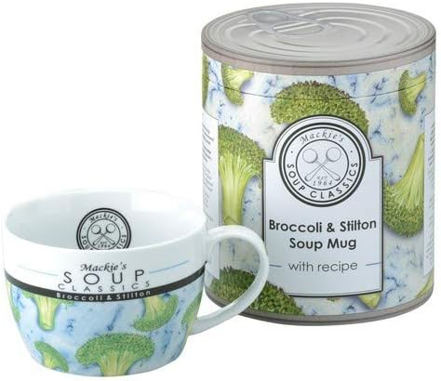 | Classics Mackie's Broccoli & Stilton Soup Mug | 903047+A30 | 300 | £24.99 | £7,497.00 | https://www.amazon.com/-/es/Mackies-Soup-Classics-Br%C3%B3coli-Stilton/dp/B00F2EQLQQ
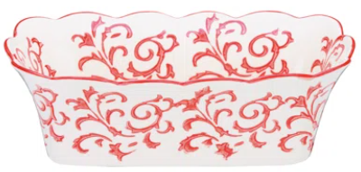 | Haritage Loaf Pan | 490081+A75 | 144 | £24.99 | £3,598.56 | https://www.wayfair.co.uk/kitchenware-tableware/pdp/bia-international-heritage-loaf-pan-aap1963.html?piid=13150193
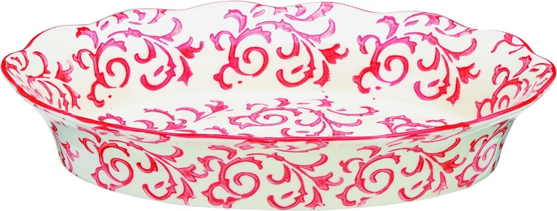 | heritage Oval Roaster | 490056+A75 | 96 | £36.25 | £3,480.00 | https://www.amazon.co.uk/Heritage-490056-A75-Oval-Roaster/dp/B010LUD5DC?source=ps-sl-shoppingads-lpcontext&ref_=fplfs&psc=1&smid=A2EDX61KR3REFQ
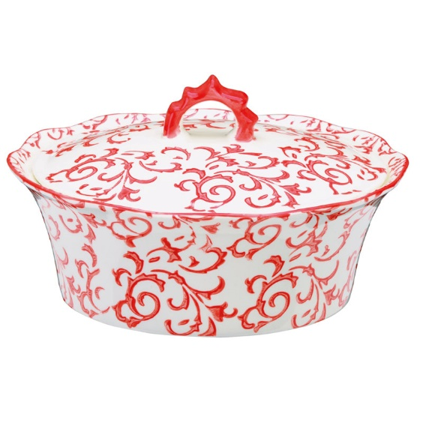 | Heritage Casserole | 490068+A75 | 60 | £40.99 | £2,459.40
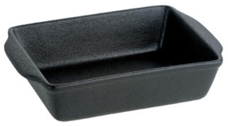 | Gastro-Noir-Mie Individual Rectangular Roaster 200 x 145 x 50mm | 991502+E39 | 220 | £24.99 | £5,497.80
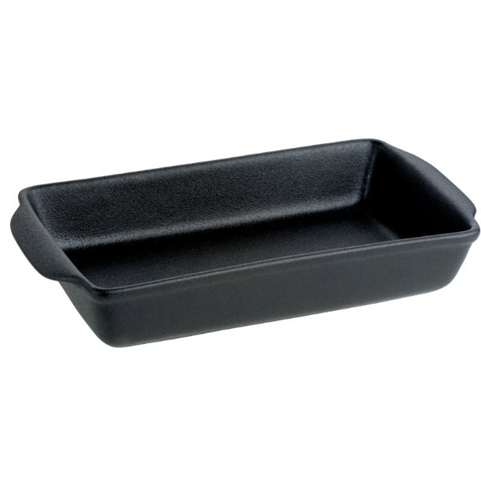 | Gastro-Noir-Mie Large Rectangular Roaster 320 x 165 x 50mm | 901504+E39 | 238 | £31.45 | £7,485.10 | https://www.wayfair.co.uk/kitchenware-tableware/pdp/bia-international-gastro-noir-mie-large-rectangular-roaster-sbkx1010.html
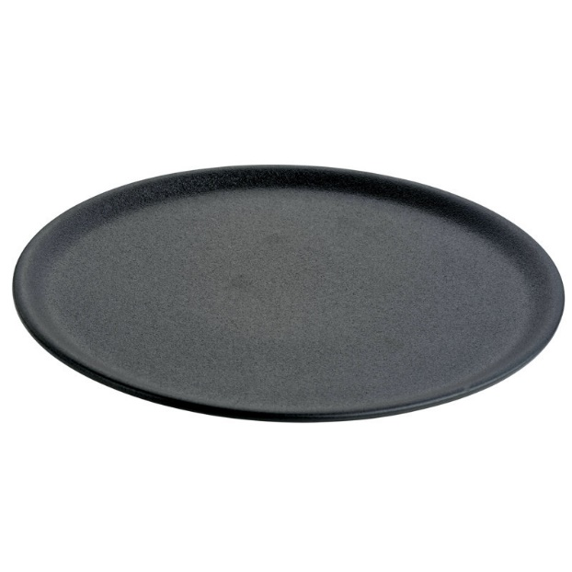 | Gastro-Noir-Mie Platter 305 x 305 x 20mm | 904571+E39 | 272 | £38.45 | £10,458.40 | https://www.wayfair.co.uk/home/pdp/bia-international-gastro-noir-mie-platter-sbkx1011.html
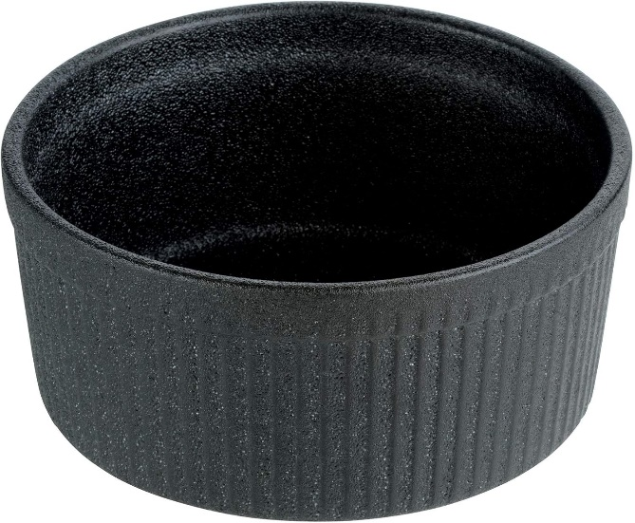 | Ceramic Souffle Dish 175 x 175 x 80mm | 900016+E39 | 374 | £23.90 | £8,938.60 | https://www.amazon.co.uk/BIA-Gastro-Noir-Mie-Souffle-by/dp/B07HRWJH2B
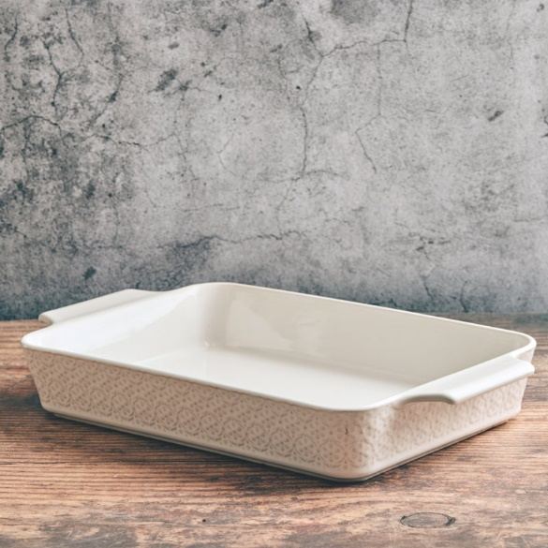 | Le Petit Four Rectangular Roaster 395 x 235 x 60mm | 414962+1914 | 72 | £40.95 | £2,948.40 | https://www.wayfair.co.uk/kitchenware-tableware/pdp/bia-international-le-petit-four-rectangular-roaster-white-bajv1011.html
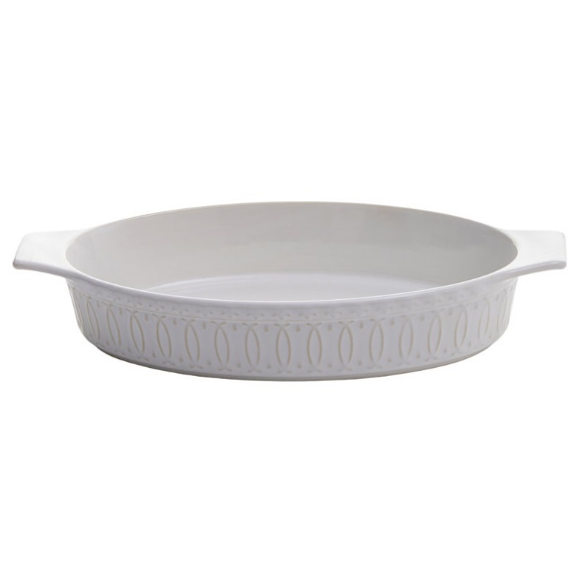 | Le Petit Four Oval Roaster 315 x 170 x 55mm | 414961+1911 | 120 | £19.87 | £2,384.40 | https://www.wayfair.co.uk/kitchenware-tableware/pdp/bia-international-le-petit-four-oval-roaster-white-bajv1005.html
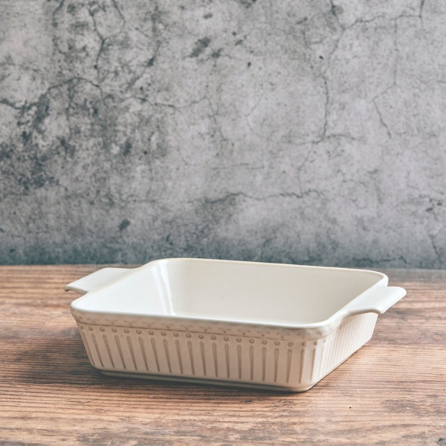 | Le Petit Four - Square Roaster 250 x 200 x 55mm | 414960+1910 | 120 | £27.45 | £3,294.00 | https://www.wayfair.co.uk/kitchenware-tableware/pdp/bia-international-le-petit-four-square-roaster-white-bajv1012.html
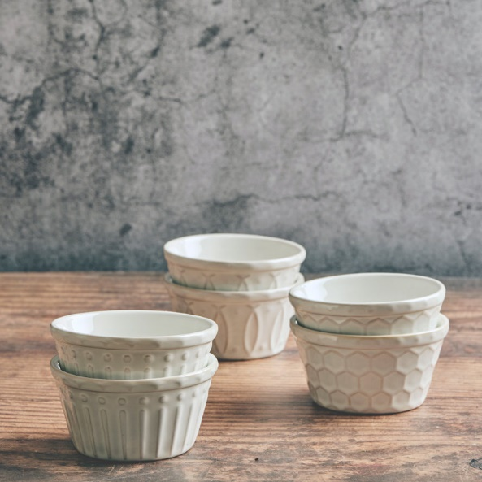 | Set of 6 Le Petit Four Ramekins 100 x 100 x 55mm | 414964S6+1972 | 96 | £27.90 | £2,678.40 | https://www.wayfair.co.uk/kitchenware-tableware/pdp/bia-international-le-petit-four-ramekins-set-of-6-white-bajv1016.html
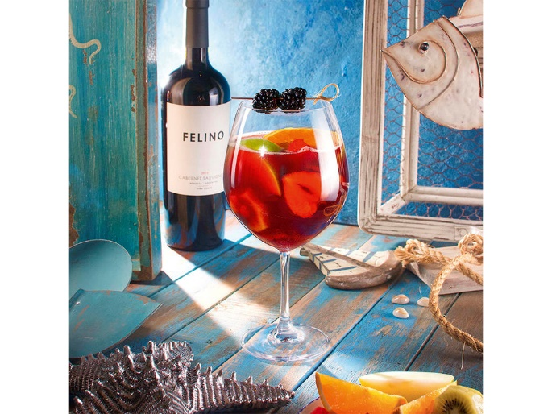 | Weinland Gin Glass | 4012632106827 | 1173 | £7.76 | £9,102.48 | https://www.hwlarsen.com/wineglass/weinland-burgundy-glass?srsltid=AfmBOopWnE9ECXDs6rC1SgPkwBK0_2qpHNqTCQLMnggcsFoF2k9ZT_w6
 | New York Bar Tumbler Small | 4012632116369 | 911 | £5.47 | £4,983.17 | https://www.hwlarsen.com/all-items-in-the-category-for-the-table/glas-new-york-bar-whisky-tumbler-25-cl?srsltid=AfmBOop3aL3iovfUUlcc9PADBokkHk3CqvZa0rnhRE7ueVhcCMn2iSg3
 |  |  | 4196 |  | £74,805.71

